Guidance Document
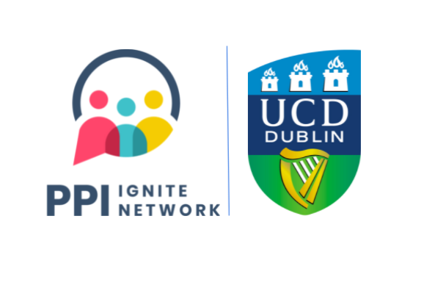

Guidance Document on Public and Patient Involvement / Public Engagement Costings

At a minimum all out of pocket expenses should be covered for members of the public or patients to facilitate their involvement. We do not recommend a set payment rate as this will be dependent on the project, funding available and the individual circumstances of the involvement. Below are suggested costings to consider:
National Women’s Council of Ireland (NWCI) for a half-day event in 2018 the NWCI offered a contribution of €30 towards individual’s child care, elder care, personal assistance and other care costs.
Disability Federation of Ireland (DFI): Costings for Personal Assistants in 2018 is approximately €24 an hour. For community researcher costs, we usually look to the university scales for research assistant level scales.
Vouchers: If you wish to provide a token of appreciation One for All Vouchers are available via UCD procurement using GIF003.

Use the template on the next tab to calculate the approximate cost of the level of public involvement (and associated supports) you wish to implement in the project. You can include these costings in a budget justification. Please engage with all partners to plan out what elements are required.

Processing of Payments
All non-staff expenses must be processed via the UCD Bursar’s Office. We suggest at the start of a project you go through the claim process step by step with all PPI collaborators on how to process payments throughout the project. Please be clear in communicating that payment processing can take a few weeks.

Other Resources
UCD Bursar’s Office: https://www.ucd.ie/bursar/
IUA Researcher Salary Scales/Guidelines: https://www.iua.ie/research-innovation/researcher-salary-scales/
NCEC Guidance Document 4: Calculating the Cost of Public Involvement: https://www.gov.ie/en/collection/70a20b-public-involvement-framework/
Payment for Public Involvement in Health and Care Research: A guide for organisations on determining the most appropriate payment approach: https://www.nihr.ac.uk/documents/Payment-for-Public-Involvement-in-Health-and-Care-Research-A-guide-for-organisations-on-determining-the-most-appropriate-payment-approach/30838

